Sheet1
Gel | Line# | Sample ID | TRF1 | TRF2 | Mean TRF | SD | CV | Reason
1 | 1 | 362363 | 6.97 | 6.94 | 6.96 | 0.02 | 0.31 |  | Reason
1 | 2 | 362314 | 8.21 | 8.2 | 8.21 | 0.01 | 0.09 |  | 0 | No sample (no ID #) or DNA
1 | 3 | 362305 | 6.8 | 6.95 | 6.88 | 0.11 | 1.54 | 1 | 1 | Degradation (Integrity)
1 | 4 | 362325 | 9.25 | 9.26 | 9.25 | 0.01 | 0.08 | 1 | 2 | severe degradation (integrity)
1 | 5 | 362380 | 7.34 | 7.65 | 7.50 | 0.22 | 2.92 |  | 3 | Bad TRF smear
1 | 6 | 362349 | 6.5 | 6.75 | 6.63 | 0.18 | 2.67 |  | 4 | Not enough for 2 TRF
1 | 7 | 362374 | 6.36 | 6.43 | 6.40 | 0.05 | 0.77 | 2 | 5 | Technical problem
1 | 8 | 362343 | 7.29 | 7.25 | 7.27 | 0.03 | 0.39
1 | 9 | 362319 | 9.76 | 9.17 | 9.47 | 0.42 | 4.41
1 | 10 | 362332 | 10.12 |  | 10.12 |  | 0.00 | 3 |  | Reason 1 and Reason 2
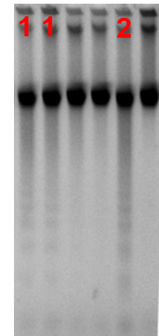
1 | 11 | 362387 | 8.2 | 8.26 | 8.23 | 0.04 | 0.52 | 1 |  |  | Reason 3
1 | 12 | 362356 | 7.5 | 7.76 | 7.63 | 0.18 | 2.41
1 | 13 | 362369 | 7.19 | 7.53 | 7.36 | 0.24 | 3.27 | 1
1 | 14 | 362311 | 7.79 | 8.12 | 7.96 | 0.23 | 2.93 | 1
1 | 15 | 362337 | 9.56 | 9.39 | 9.48 | 0.12 | 1.27 | 3
1 | 16 | 362375 | 7.91 | 8.08 | 8.00 | 0.12 | 1.50 | 2
1 | 17 | 362344 | 6.98 | 7.28 | 7.13 | 0.21 | 2.98
1 | 18 | 362320 | 10.18 | 10.19 | 10.18 | 0.01 | 0.07 | 1

